2021
Public Prosecution Service for Northern Ireland Perceptions of the Public Prosecution Service Findings from the Northern Ireland Life and Times Survey October 2021 - December 2021 | 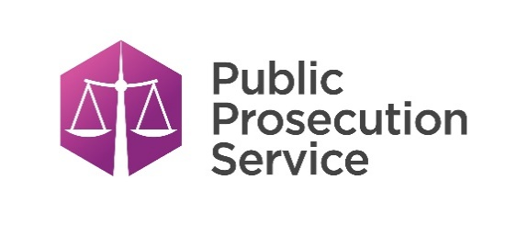
Contents

Question 1
Had you heard of the Public Prosecution Service for Northern Ireland, 'the PPS'?
Question 2
How confident are you that the Public Prosecution Service is effective at prosecuting people accused of committing a crime?
Question 3
How confident are you that the Public Prosecution Service provides a fair and impartial prosecution service?
Question 4
How confident are you that the Public Prosecution Service takes it prosecution decisions independently? (That is, independent of police, Government or any other body).

Note:
'Don't Knows' are not included
Percentages are weighted
Numbers are not weighted

Question 2
Question 2 - How confident are you that the Public Prosecution Service is effective at prosecuting people accused of committing a crime?
2020 and 2021

Year | Response | All Adults | <25 years | 25-44 years | 45-64 years | 65+ years | Male | Female | Catholic | Protestant | No Religion
2020 | Very/Fairly Confident | 62.1% | N/A | 62.3% | 61.8% | 63.8% | 63.2% | 61.3% | 63.6% | 59.6% | 64.9%
 | Not Very/Not At All Confident | 37.9% | N/A | 37.7% | 38.2% | 36.1% | 36.8% | 38.7% | 36.3% | 40.4% | 35.2%
 | Unweighted Base | 1,031 | N/A | 351 | 402 | 228 | 441 | 588 | 280 | 449 | 274
2021 | Very/Fairly Confident | 52.5% | N/A | 48.0% | 53.1% | 61.1% | 53.3% | 51.9% | 52.0% | 53.8% | 51.8%
 | Not Very/Not At All Confident | 47.5% | N/A | 52.0% | 46.9% | 38.9% | 46.7% | 48.1% | 48.0% | 46.2% | 48.2%
 | Unweighted Base | 1,061 | N/A | 304 | 483 | 246 | 519 | 537 | 324 | 437 | 276
Note: ‘N/A’ indicates that the unweighted base was less than 50 and therefore the breakdown was not valid

Confidence in effective prosecution of people accused of committing a crime (Gender)

