Metadata
Official Statistics Theme: | Law and the Justice System | Publication Date
Data Subset: | N/A | 19/09/2024
Report Title: | Statistical Bulletin: Cases Involving Hate Crime 2023/24

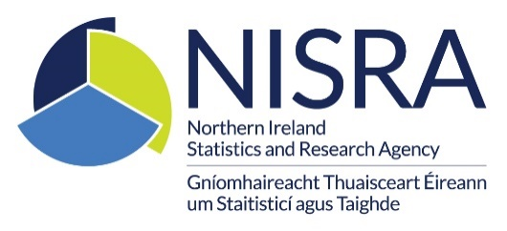
Source: | Public Prosecution Service
Contact: | Policy and Information Unit
 | Belfast Chambers
 | 93 Chichester Street
 | Belfast
 | BT1 3JR
 | info@ppsni.gov.uk
National Statistics Data? | No

Description of Report
The statistical information provided includes caseloads, prosecutorial decisions and the outcomes of prosecutions at court. Figures are provided for the full 2023/24 (i.e. 1 April 2023 to 31 March 2024) and include comparisons with the equivalent period in 2022/23. Figures in respect of defendants who received enhanced sentences have also been included.
Time Period
Figures are for the year 2023/24

Details of the information held on this dataset are outlined below:
Tables
For further information on the tables please click here
Data Sources
The information presented in this bulletin is derived from the Case Management System (CMS), the main operational system in use within the PPS. This is a ‘live’ system with data being input on a daily basis. It should be noted that the CMS is also linked to the CJSNI’s Causeway data sharing mechanism. The first phase of Causeway (‘DSM 0’), introduced in 2005/06, allowed police to submit files to the PPS electronically. The most recent phase (‘DSM 1’) was launched at the end of November 2009 and broadened the portfolio of information shared electronically. For example PPS are now supplied with court results by the Northern Ireland Courts and Tribunals Service which feed into the PPS Case Management System via Causeway. The information is extracted using Business Objects. It is then validated and quality assured to ensure that the data is reliable and robust for use. Any inconsistencies are reported back to operational staff or to the PPS Information and Communications Technology Branch. If required, any necessary amendments are then made to the data. All statistics for the current financial year have now been finalised.
Previous Changes to this release
In September 2022, this publication was revised. Additional breakdowns of age, gender and offence classification have been provided within the data tables in response to both user feedback and a specific recommendation by Criminal Justice Inspection Northern Ireland.
Official Statistics
These are ‘Official Statistics’ as defined in Section 6 of the Statistics and Registration Services Act 2007. Statisticians from the Northern Ireland Statistics and Research Agency are seconded to the PPS and are responsible for ensuring that the statistics produced comply with the Code of Practice for Official Statistics.
Rounding Conventions
Percentages have been rounded to whole numbers or to one decimal place and may not always sum to 100%.
Future Publications
The next Statistical Bulletin on Cases Involving Hate Crime covering the period 1 April 2024 to 31 March 2025 will be published August / September 2025

