Statistical Bulletin 2024-25
Public Prosecution Service for Northern Ireland Statistical Bulletin: Cases Involving Sexual Offences 2024/25 1 April 2024 - 31 March 2025 | 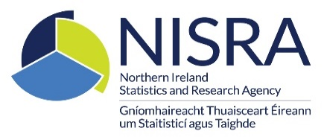

Contents

Table 1: Files Received

Table 1a: Suspects on Files Received including a sexual offence by Gender and Age

Table 2: Suspects on Files Received by Police Recommendation

Table 3: Information Requests Submitted to Police by Request Type

Table 4a: Prosecutorial Decisions Issued by Decision Type - All Sexual Offences

Table 4b: Prosecutorial Decisions Issued by Decision Type - Rape

Table 4c: Prosecutorial Decisions Issued by Decision Type - Other Sexual Offences

Table 4d: Prosecutorial Decisions Issued - Reasons for No Prosecution

Table 4e: Days Required for the Issue of Prosecutorial Decisions by Decision Type (Median and 80th Percentile)

Table 5: Summonses Issued by Service Method

Table 6a: Defendants Dealt with in the Crown Court by Outcome – All Sexual Offences

Table 6b: Defendants Dealt with in the Crown Court by Outcome – Rape Offences

Table 6c: Defendants Dealt with in the Crown Court by Outcome – Other Sexual Offences

Table 7: Defendants Dealt with in the Magistrates’ and Youth Courts by Outcome – All Sexual Offences

