Overall Trends 2015-25
Public Prosecution Service for Northern Ireland Overall Trends of Cases Involving Sexual Offences 2015/16 - 2024/25 | 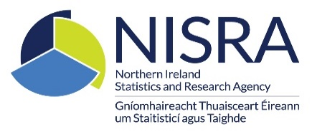

Contents

Files Received

Decisions Issued

Timeliness

Outcomes-Crown

Outcomes Magistrates

